Daily Power Station Chart_15-01
Plant_23/03/2025Chart

Plant:odco1 |  |  | Installed Capacity:111.180kWp
Today Yield(kWh):644.000kWh |  | Today Earning:257600.000TND |  | Today Full Load Hours(h):5.79h

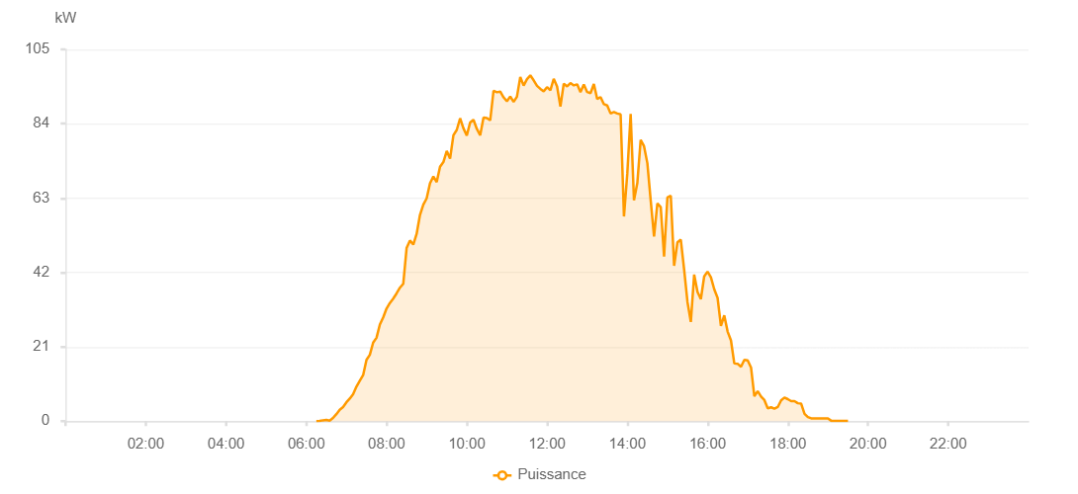

Number | Time | Working State | PV(W) | Instantaneous Radiation(W/㎡)
1 | 06:15:00 | Online | 20.00000 | 0
2 | 06:20:00 | Online | 50.00000 | 0
3 | 06:25:00 | Online | 240.00000 | 0
4 | 06:30:00 | Online | 330.00000 | 0
5 | 06:35:00 | Online | 160.00000 | 5.00000
6 | 06:40:00 | Online | 900.00000 | 5.00000
7 | 06:45:00 | Online | 1980.00000 | 14.00000
8 | 06:50:00 | Online | 3210.00000 | 20.00000
9 | 06:55:00 | Online | 3980.00000 | 30.00000
10 | 07:00:00 | Online | 5320.00000 | 39.00000
11 | 07:05:00 | Online | 6370.00000 | 52.00000
12 | 07:10:00 | Online | 7620.00000 | 65.00000
13 | 07:15:00 | Online | 9740.00000 | 85.00000
14 | 07:20:00 | Online | 11430.00000 | 101.00000
15 | 07:25:00 | Online | 12990.00000 | 127.00000
16 | 07:30:00 | Online | 17290.00000 | 152.00000
17 | 07:35:00 | Online | 18730.00000 | 178.00000
18 | 07:40:00 | Online | 22180.00000 | 203.00000
19 | 07:45:00 | Online | 23550.00000 | 229.00000
20 | 07:50:00 | Online | 27280.00000 | 253.00000
21 | 07:55:00 | Online | 29320.00000 | 279.00000
22 | 08:00:00 | Online | 31800.00000 | 300.00000
23 | 08:05:00 | Online | 33380.00000 | 319.00000
24 | 08:10:00 | Online | 34610.00000 | 347.00000
25 | 08:15:00 | Online | 36080.00000 | 368.00000
26 | 08:20:00 | Online | 37680.00000 | 393.00000
27 | 08:25:00 | Online | 38780.00000 | 421.00000
28 | 08:30:00 | Online | 48880.00000 | 473.00000
29 | 08:35:00 | Online | 51030.00000 | 473.00000
30 | 08:40:00 | Online | 49880.00000 | 497.00000
31 | 08:45:00 | Online | 52900.00000 | 476.00000
32 | 08:50:00 | Online | 58250.00000 | 537.00000
33 | 08:55:00 | Online | 61170.00000 | 567.00000
34 | 09:00:00 | Online | 62940.00000 | 589.00000
35 | 09:05:00 | Online | 67200.00000 | 595.00000
36 | 09:10:00 | Online | 69100.00000 | 624.00000
37 | 09:15:00 | Online | 67540.00000 | 637.00000
38 | 09:20:00 | Online | 71870.00000 | 620.00000
39 | 09:25:00 | Online | 73170.00000 | 658.00000
40 | 09:30:00 | Online | 76320.00000 | 664.00000
41 | 09:35:00 | Online | 74130.00000 | 707.00000
42 | 09:40:00 | Online | 80740.00000 | 707.00000
43 | 09:45:00 | Online | 82250.00000 | 743.00000
44 | 09:50:00 | Online | 85540.00000 | 748.00000
45 | 09:55:00 | Online | 82710.00000 | 787.00000
46 | 10:00:00 | Online | 80680.00000 | 779.00000
47 | 10:05:00 | Online | 84340.00000 | 744.00000
48 | 10:10:00 | Online | 85130.00000 | 810.00000
49 | 10:15:00 | Online | 82550.00000 | 792.00000
50 | 10:20:00 | Online | 80750.00000 | 779.00000
51 | 10:25:00 | Online | 85770.00000 | 737.00000
52 | 10:30:00 | Online | 85610.00000 | 822.00000
53 | 10:35:00 | Online | 84970.00000 | 841.00000
54 | 10:40:00 | Online | 93300.00000 | 822.00000
55 | 10:45:00 | Online | 92890.00000 | 898.00000
56 | 10:50:00 | Online | 93090.00000 | 879.00000
57 | 10:55:00 | Online | 91460.00000 | 901.00000
58 | 11:00:00 | Online | 90330.00000 | 819.00000
59 | 11:05:00 | Online | 91710.00000 | 886.00000
60 | 11:10:00 | Online | 90160.00000 | 845.00000
61 | 11:15:00 | Online | 91640.00000 | 856.00000
62 | 11:20:00 | Online | 97220.00000 | 858.00000
63 | 11:25:00 | Online | 94790.00000 | 948.00000
64 | 11:30:00 | Online | 96610.00000 | 902.00000
65 | 11:35:00 | Online | 97660.00000 | 904.00000
66 | 11:40:00 | Online | 96270.00000 | 908.00000
67 | 11:45:00 | Online | 94720.00000 | 908.00000
68 | 11:50:00 | Online | 93870.00000 | 847.00000
69 | 11:55:00 | Online | 93170.00000 | 889.00000
70 | 12:00:00 | Online | 94340.00000 | 848.00000
71 | 12:05:00 | Online | 93450.00000 | 869.00000
72 | 12:10:00 | Online | 96700.00000 | 903.00000
73 | 12:15:00 | Online | 94540.00000 | 890.00000
74 | 12:20:00 | Online | 88840.00000 | 903.00000
75 | 12:25:00 | Online | 95330.00000 | 922.00000
76 | 12:30:00 | Online | 94540.00000 | 922.00000
77 | 12:35:00 | Online | 95500.00000 | 910.00000
78 | 12:40:00 | Online | 94840.00000 | 923.00000
79 | 12:45:00 | Online | 95140.00000 | 914.00000
80 | 12:50:00 | Online | 92930.00000 | 914.00000
81 | 12:55:00 | Online | 95110.00000 | 862.00000
82 | 13:00:00 | Online | 92960.00000 | 862.00000
83 | 13:05:00 | Online | 92650.00000 | 822.00000
84 | 13:10:00 | Online | 95220.00000 | 822.00000
85 | 13:15:00 | Online | 90960.00000 | 877.00000
86 | 13:20:00 | Online | 91550.00000 | 850.00000
87 | 13:25:00 | Online | 89530.00000 | 850.00000
88 | 13:30:00 | Online | 89170.00000 | 796.00000
89 | 13:35:00 | Online | 86900.00000 | 830.00000
90 | 13:40:00 | Online | 87310.00000 | 801.00000
91 | 13:45:00 | Online | 86900.00000 | 804.00000
92 | 13:50:00 | Online | 86660.00000 | 797.00000
93 | 13:55:00 | Online | 57820.00000 | 800.00000
94 | 14:00:00 | Online | 69930.00000 | 420.00000
95 | 14:05:00 | Online | 86780.00000 | 784.00000
96 | 14:10:00 | Online | 62400.00000 | 784.00000
97 | 14:15:00 | Online | 67240.00000 | 606.00000
98 | 14:20:00 | Online | 79450.00000 | 668.00000
99 | 14:25:00 | Online | 77670.00000 | 724.00000
100 | 14:30:00 | Online | 72870.00000 | 703.00000
101 | 14:35:00 | Online | 62310.00000 | 694.00000
102 | 14:40:00 | Online | 52140.00000 | 342.00000
103 | 14:45:00 | Online | 61490.00000 | 342.00000
104 | 14:50:00 | Online | 60460.00000 | 503.00000
105 | 14:55:00 | Online | 46480.00000 | 500.00000
106 | 15:00:00 | Online | 63170.00000 | 404.00000
107 | 15:05:00 | Online | 63700.00000 | 543.00000
108 | 15:10:00 | Online | 43890.00000 | 575.00000
109 | 15:15:00 | Online | 50500.00000 | 412.00000
110 | 15:20:00 | Online | 51260.00000 | 528.00000
111 | 15:25:00 | Online | 42810.00000 | 525.00000
112 | 15:30:00 | Online | 33650.00000 | 365.00000
113 | 15:35:00 | Online | 28030.00000 | 349.00000
114 | 15:40:00 | Online | 41390.00000 | 329.00000
115 | 15:45:00 | Online | 36480.00000 | 378.00000
116 | 15:50:00 | Online | 34470.00000 | 291.00000
117 | 15:55:00 | Online | 40880.00000 | 241.00000
118 | 16:00:00 | Online | 42240.00000 | 430.00000
119 | 16:05:00 | Online | 40640.00000 | 430.00000
120 | 16:10:00 | Online | 37250.00000 | 339.00000
121 | 16:15:00 | Online | 34820.00000 | 339.00000
122 | 16:20:00 | Online | 26880.00000 | 288.00000
123 | 16:25:00 | Online | 29890.00000 | 198.00000
124 | 16:30:00 | Online | 25300.00000 | 274.00000
125 | 16:35:00 | Online | 22800.00000 | 167.00000
126 | 16:40:00 | Online | 16290.00000 | 113.00000
127 | 16:45:00 | Online | 16210.00000 | 113.00000
128 | 16:50:00 | Online | 15360.00000 | 112.00000
129 | 16:55:00 | Online | 17290.00000 | 98.00000
130 | 17:00:00 | Online | 17140.00000 | 90.00000
131 | 17:05:00 | Online | 15160.00000 | 104.00000
132 | 17:10:00 | Online | 7020.00000 | 79.00000
133 | 17:15:00 | Online | 8480.00000 | 58.00000
134 | 17:20:00 | Online | 6940.00000 | 65.00000
135 | 17:25:00 | Online | 5940.00000 | 42.00000
136 | 17:30:00 | Online | 3620.00000 | 30.00000
137 | 17:35:00 | Online | 3910.00000 | 30.00000
138 | 17:40:00 | Online | 3510.00000 | 32.00000
139 | 17:45:00 | Online | 3990.00000 | 29.00000
140 | 17:50:00 | Online | 5870.00000 | 47.00000
141 | 17:55:00 | Online | 6660.00000 | 47.00000
142 | 18:00:00 | Online | 6210.00000 | 42.00000
143 | 18:05:00 | Online | 5650.00000 | 42.00000
144 | 18:10:00 | Online | 5640.00000 | 41.00000
145 | 18:15:00 | Online | 5060.00000 | 44.00000
146 | 18:20:00 | Online | 4930.00000 | 34.00000
147 | 18:25:00 | Online | 2060.00000 | 16.00000
148 | 18:30:00 | Online | 1160.00000 | 16.00000
149 | 18:35:00 | Online | 790.00000 | 7.00000
150 | 18:40:00 | Online | 800.00000 | 4.00000
151 | 18:45:00 | Online | 760.00000 | 1.00000
152 | 18:50:00 | Online | 780.00000 | 0
153 | 18:55:00 | Online | 760.00000 | 0
154 | 19:00:00 | Online | 750.00000 | 0
155 | 19:05:00 | Online | 100.00000 | 0
156 | 19:10:00 | Online | 40.00000 | 0
157 | 19:15:00 | Online | 40.00000 | 0
158 | 19:20:00 | Online | 40.00000 | 0
159 | 19:25:00 | Online | 40.00000 | 0
160 | 19:30:00 | Online | 40.00000 | 0
161 | 19:55:00 | Online | 0.00001 | 0.00001

